bridge
Fill the table 'YOUR CHOICE' with the code of the colours you perceived as most present (#1 is the most present, #5 is the fifth most present) |  |  | There are 4 pages

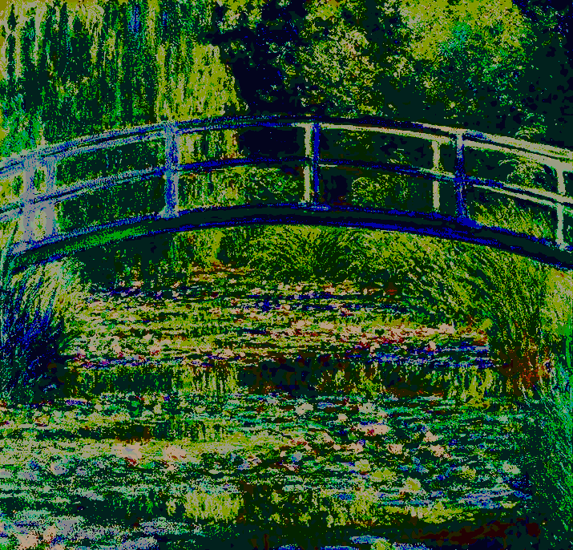
 |  | RANK | COLOURS | code | #1 | #2 | #3 | #4 | #5 | COLOURS | code | #1 | #2 | #3 | #4 | #5
 | #1 | 3 |  | 1 |  | 1 | 3 | 1 | 1 |  | 13 | 2 | 8 | 6 | 6 | 3
 | #2 | 5
 | #3 | 17 |  | 2 |  | 1 | 1 | 5 |  |  | 14 |  | 1 |  | 2 | 2
 | #4 | 16
 | #5 | 4 |  | 3 | 45 | 21 | 8 | 5 | 2 |  | 15 |  |  | 2 | 2 | 1

 |  |  |  | 4 |  | 1 | 3 | 14 | 20 |  | 16 | 5 | 7 | 20 | 23 | 25

 |  |  |  | 5 | 15 | 28 | 11 | 7 | 4 |  | 17 |  |  |  |  | 1

 |  |  |  | 6 |  |  |  |  | 2 |  | 18 | 1 | 1 | 4 | 1 | 6

 |  |  |  | 7 | 27 | 22 | 17 | 4 | 1 |  | 19 |  | 1 |  | 1 | 1

 |  |  |  | 8 | 4 | 3 | 10 | 12 | 1 |  | 20 |  | 1

 |  |  |  | 9 |  |  | 4 | 3 | 8 |  | 21 |  |  | 1 |  | 2

 |  |  |  | 10 |  |  |  |  |  |  | 22 |  | 3 | 3 | 4 | 3

 |  |  |  | 11 |  | 2 | 1 | 2 |  |  | 23 |  |  | 1 | 1 | 10

 |  |  |  | 12 |  |  | 1 |  | 9 |  | 24 | 3 | 2 | 7 | 10 | 5

Giverny
Fill the table 'YOUR CHOICE' with the code of the colours you perceived as most present (#1 is the most present, #5 is the fifth most present)

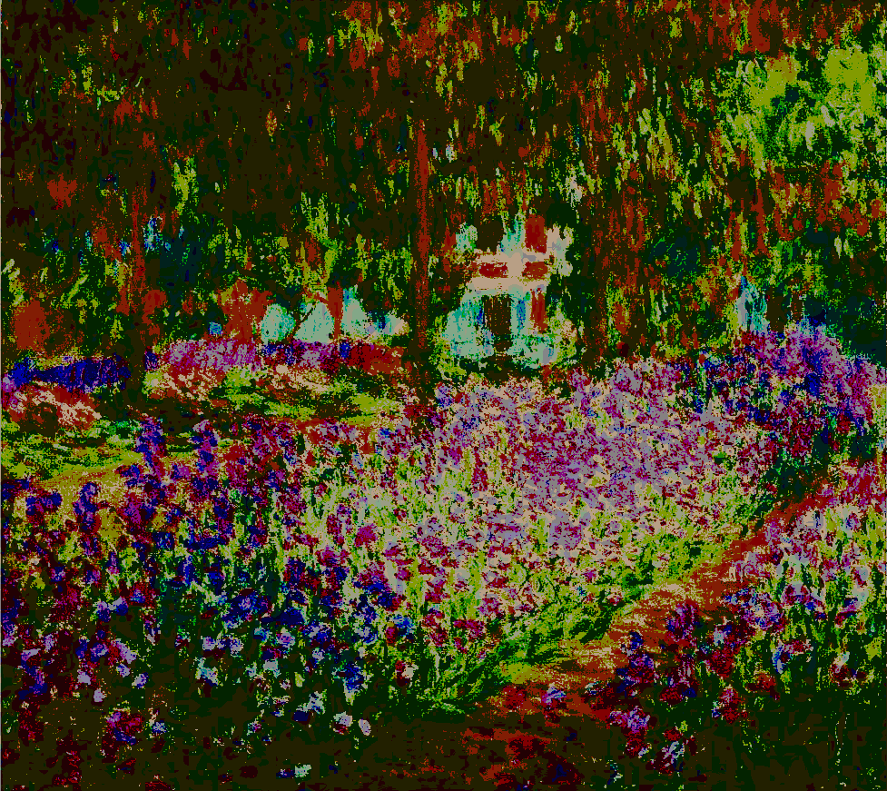
 |  | YOUR CHOICE | COLOURS | code | #1 | #2 | #3 | #4 | #5 | COLOURS | code | #1 | #2 | #3 | #4 | #5
 | #1 | 11 |  | 1 |  |  | 1 | 1 |  |  | 13 | 7 | 10 | 9 | 8 | 5
 | #2 | 7
 | #3 | 24 |  | 2 |  | 2 |  | 1 | 3 |  | 14 | 7 | 3 | 4 | 4 | 1
 | #4 | 19
 | #5 | 21 |  | 3 |  |  |  |  |  |  | 15 | 12 | 3 | 3 | 5 | 2

 |  |  |  | 4 | 2 | 5 | 8 | 6 | 3 |  | 16 | 1 | 2 |  | 2 | 1

 |  |  |  | 5 |  |  |  |  | 1 |  | 17 | 1 | 8 | 2 | 7 | 4

 |  |  |  | 6 | 1 | 1 |  |  |  |  | 18 |  | 1 | 1 | 3 | 4

 |  |  |  | 7 | 3 | 21 | 17 | 10 | 8 |  | 19 | 7 | 8 | 14 | 19 | 7

 |  |  |  | 8 | 13 | 4 | 2 | 1 | 2 |  | 20 | 1 |  | 1 | 1 | 2

 |  |  |  | 9 |  | 1 |  | 1 | 2 |  | 21 | 1 | 2 | 7 | 9 | 26

 |  |  |  | 10 | 19 | 13 | 7 | 9 | 3 |  | 22 |  |  |  |  | 1

 |  |  |  | 11 | 25 | 11 | 13 | 6 | 3 |  | 23 |  |  | 1 | 5 | 21

 |  |  |  | 12 | 2 |  | 1 |  |  |  | 24 | 1 | 7 | 12 | 3 | 3

Rouen
Fill the table 'YOUR CHOICE' with the code of the colours you perceived as most present (#1 is the most present, #5 is the fifth most present)

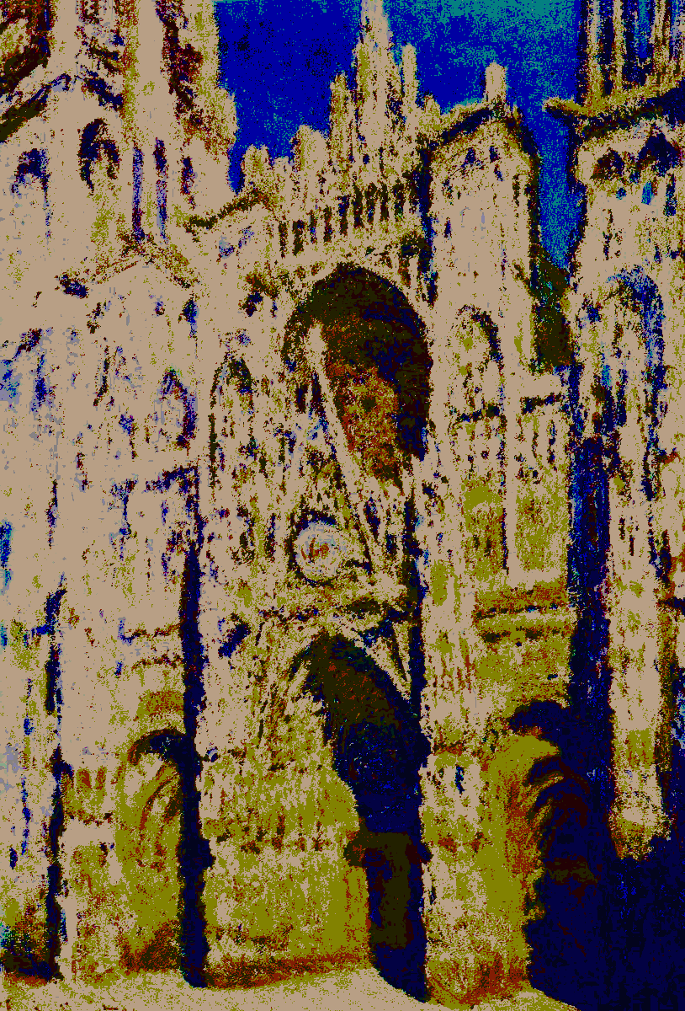

 |  | YOUR CHOICE | COLOURS | code | #1 | #2 | #3 | #4 | #5 | COLOURS | code | #1 | #2 | #3 | #4 | #5
 | #1 | 8 |  | 1 |  |  |  |  | 1 |  | 13 |  |  | 1 | 3 | 4
 | #2 | 14
 | #3 | 9 |  | 2 |  |  | 1 | 10 | 11 |  | 14 | 6 | 43 | 29 | 17 | 5
 | #4 | 11
 | #5 | 5 |  | 3 | 1 | 2 | 1 | 1 |  |  | 15 |  |  |  | 1 | 1

 |  |  |  | 4 |  | 18 | 25 | 10 | 8 |  | 16 |  | 1 |  | 2 | 2

 |  |  |  | 5 |  | 2 |  | 13 | 27 |  | 17 | 2 | 11 | 5 | 10 | 3

 |  |  |  | 6 |  |  | 3 | 3 |  |  | 18 | 1

 | total |  |  | 7 | 1 |  |  |  |  |  | 19 |  |  |  | 3 | 4
 | 103
 |  |  |  | 8 | 90 | 5 | 2 | 3 |  |  | 20 |  |  | 1 | 1 | 1

 |  |  |  | 9 | 1 | 18 | 26 | 7 | 4 |  | 21

 |  |  |  | 10 |  |  | 2 | 3 | 13 |  | 22 |  |  | 1

 |  |  |  | 11 | 1 | 4 | 5 | 13 | 6 |  | 23 |  |  |  | 1

 |  |  |  | 12 |  |  | 1 | 1 | 4 |  | 24 |  |  |  | 1 | 8

impression
Fill the table 'YOUR CHOICE' with the code of the colours you perceived as most present (#1 is the most present, #5 is the fifth most present)

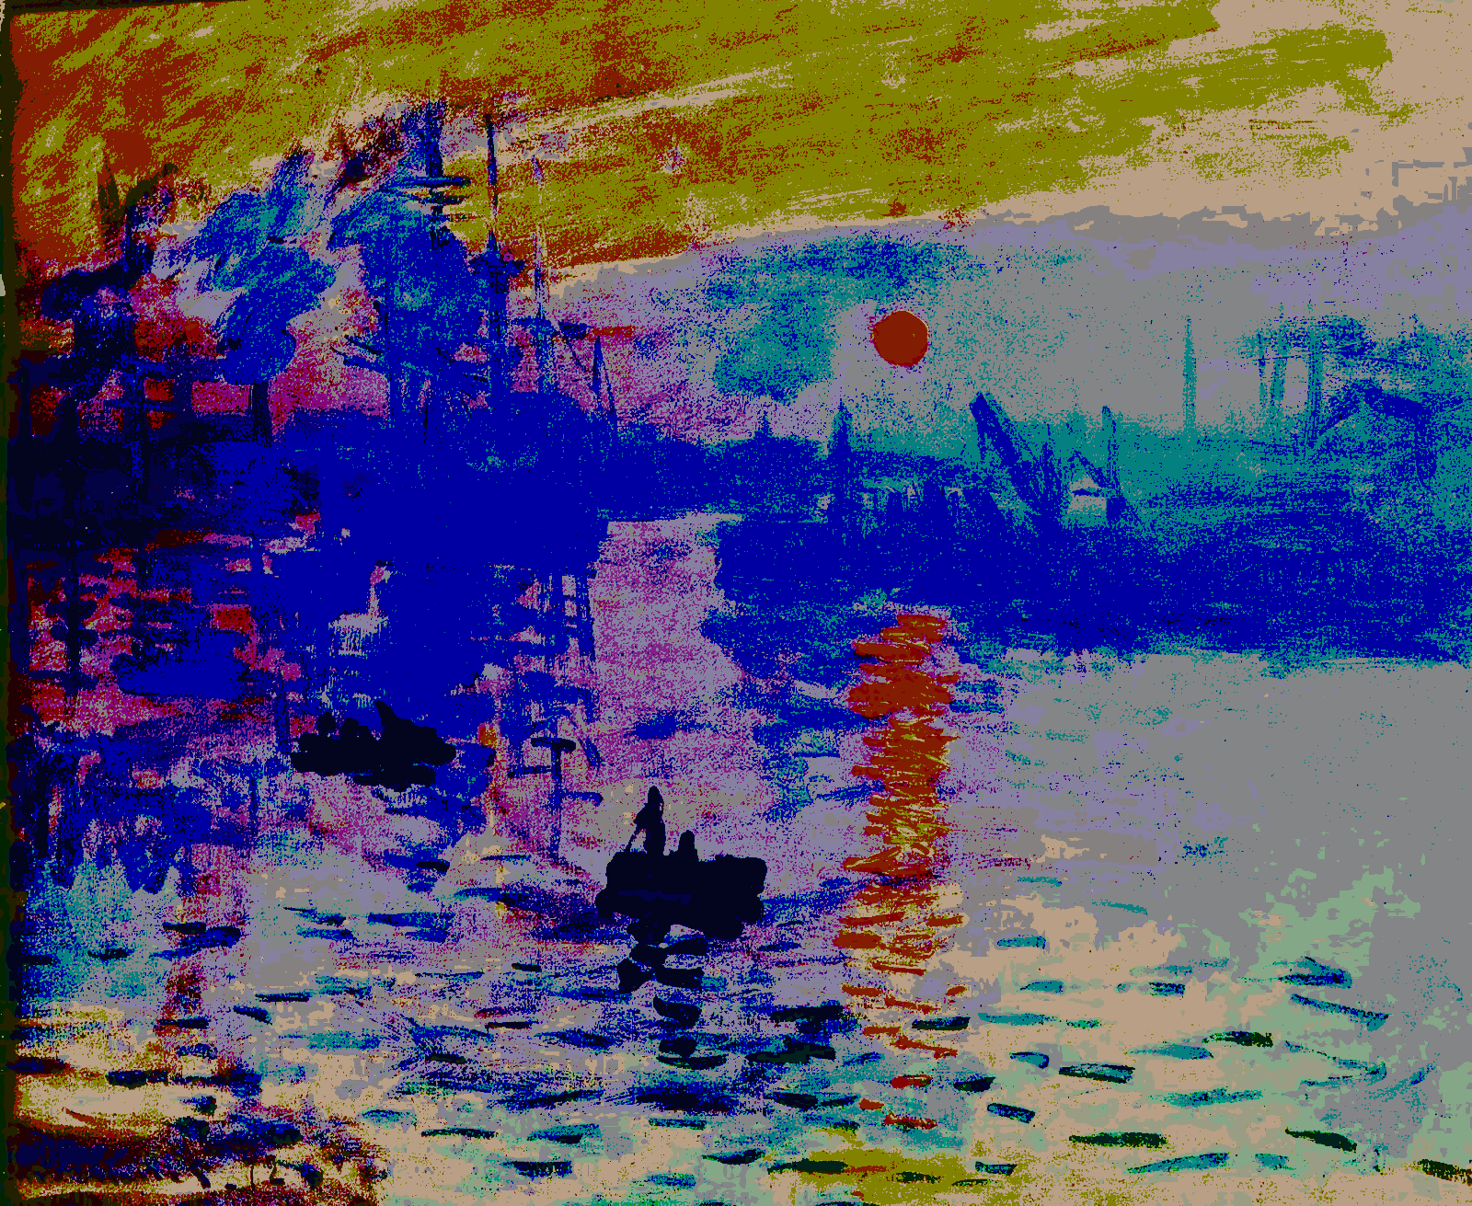

 |  | YOUR CHOICE | COLOURS | code | #1 | #2 | #3 | #4 | #5 | COLOURS | code | #1 | #2 | #3 | #4 | #5
 | #1 | 16 |  | 1 | 1 |  | 8 | 9 | 13 |  | 13 | 9 | 27 | 5 | 1 | 2
 | #2 | 13
 | #3 | 4 |  | 2 |  |  | 2 | 2 | 5 |  | 14 |  | 1 | 4 | 3 | 6
 | #4 | 3
 | #5 | 13 |  | 3 |  | 1 | 4 | 21 | 13 |  | 15 | 2 | 5 | 4 | 1 | 1

 |  |  |  | 4 |  | 9 | 32 | 9 | 1 |  | 16 | 78 | 18 | 1

 |  |  |  | 5 | 3 | 7 | 1 | 1 | 4 |  | 17 |  |  | 2 | 2 | 4

 |  |  |  | 6 |  |  |  | 2 | 2 |  | 18 | 5 | 8 |  | 2

 |  |  |  | 7 |  | 16 | 18 | 11 | 2 |  | 19 | 1 | 1 | 12 | 16 | 16

 |  |  |  | 8 |  |  |  | 1 | 2 |  | 20 |  | 2 | 2 | 1 | 5

 |  |  |  | 9 |  |  |  |  |  |  | 21 | 6 | 1

 |  |  |  | 10 |  |  | 2 | 10 | 11 |  | 22 |  | 2 | 1 | 2 | 5

 |  |  |  | 11 |  |  | 1 |  | 2 |  | 23 |  | 1 | 3 | 5 | 4

 |  |  |  | 12 |  | 2 |  | 4 | 5 |  | 24 |  |  | 1

